Original
0 | 509 | 0 | 487 | 0 | 525 | 0 | 520 | 0 | 486 | 0 | 990.09901
1 | 995 | 1 | 1023 | 1 | 952 | 1 | 987 | 1 | 982 | 1 | 990.09901
2 | 1026 | 2 | 996 | 2 | 968 | 2 | 1000 | 2 | 1014 | 2 | 990.09901
Knuth_b Graph
Minstd_Rand Graph
3 | 985 | 3 | 1015 | 3 | 939 | 3 | 980 | 3 | 1041 | 3 | 990.09901 | CHI
4 | 1025 | 4 | 945 | 4 | 974 | 4 | 1027 | 4 | 954 | 4 | 990.09901 | MT | 1.2057447183E-77
Ranlux 48 Graph
5 | 1027 | 5 | 998 | 5 | 1019 | 5 | 970 | 5 | 974 | 5 | 990.09901 | KN | 2.4586681998E-75
6 | 1010 | 6 | 1015 | 6 | 977 | 6 | 969 | 6 | 990 | 6 | 990.09901 | MINI | 4.5227637926E-61
7 | 972 | 7 | 1052 | 7 | 994 | 7 | 1032 | 7 | 982 | 7 | 990.09901 | SOB | 1.0591140067E-71
8 | 975 | 8 | 978 | 8 | 1002 | 8 | 1053 | 8 | 1001 | 8 | 990.09901 | RLX | 5.3511161283E-72
9 | 1005 | 9 | 1027 | 9 | 1024 | 9 | 952 | 9 | 989 | 9 | 990.09901
10 | 970 | 10 | 969 | 10 | 986 | 10 | 959 | 10 | 987 | 10 | 990.09901
11 | 957 | 11 | 1039 | 11 | 1035 | 11 | 969 | 11 | 942 | 11 | 990.09901 | KS
12 | 988 | 12 | 988 | 12 | 973 | 12 | 957 | 12 | 1031 | 12 | 990.09901 | MT
13 | 1024 | 13 | 1029 | 13 | 1021 | 13 | 1012 | 13 | 973 | 13 | 990.09901 | KN
14 | 1024 | 14 | 1003 | 14 | 1017 | 14 | 1002 | 14 | 1012 | 14 | 990.09901 | MINI
15 | 991 | 15 | 984 | 15 | 1008 | 15 | 982 | 15 | 971 | 15 | 990.09901 | SOB
16 | 1007 | 16 | 984 | 16 | 929 | 16 | 1027 | 16 | 952 | 16 | 990.09901 | RLX
17 | 932 | 17 | 1051 | 17 | 983 | 17 | 1016 | 17 | 1031 | 17 | 990.09901
18 | 1013 | 18 | 1012 | 18 | 995 | 18 | 927 | 18 | 986 | 18 | 990.09901
19 | 967 | 19 | 959 | 19 | 1014 | 19 | 976 | 19 | 999 | 19 | 990.09901
20 | 955 | 20 | 996 | 20 | 975 | 20 | 926 | 20 | 936 | 20 | 990.09901
21 | 985 | 21 | 997 | 21 | 984 | 21 | 962 | 21 | 1038 | 21 | 990.09901
Mt19937_64 Graph
22 | 1030 | 22 | 981 | 22 | 968 | 22 | 1021 | 22 | 945 | 22 | 990.09901
23 | 1064 | 23 | 963 | 23 | 982 | 23 | 1013 | 23 | 986 | 23 | 990.09901
24 | 972 | 24 | 982 | 24 | 972 | 24 | 995 | 24 | 1027 | 24 | 990.09901
25 | 986 | 25 | 968 | 25 | 1050 | 25 | 1005 | 25 | 946 | 25 | 990.09901
26 | 1024 | 26 | 972 | 26 | 1028 | 26 | 977 | 26 | 986 | 26 | 990.09901
27 | 979 | 27 | 1004 | 27 | 997 | 27 | 961 | 27 | 994 | 27 | 990.09901
Sobol Graph
28 | 999 | 28 | 1035 | 28 | 1043 | 28 | 1020 | 28 | 1046 | 28 | 990.09901
29 | 1062 | 29 | 943 | 29 | 990 | 29 | 949 | 29 | 1008 | 29 | 990.09901
30 | 1004 | 30 | 957 | 30 | 1008 | 30 | 1025 | 30 | 987 | 30 | 990.09901
31 | 1014 | 31 | 988 | 31 | 985 | 31 | 1017 | 31 | 1000 | 31 | 990.09901
32 | 998 | 32 | 996 | 32 | 1012 | 32 | 1026 | 32 | 1033 | 32 | 990.09901
33 | 998 | 33 | 1050 | 33 | 975 | 33 | 976 | 33 | 979 | 33 | 990.09901
34 | 1002 | 34 | 998 | 34 | 990 | 34 | 1031 | 34 | 980 | 34 | 990.09901
35 | 968 | 35 | 1008 | 35 | 1031 | 35 | 958 | 35 | 1030 | 35 | 990.09901
36 | 993 | 36 | 986 | 36 | 1056 | 36 | 999 | 36 | 1050 | 36 | 990.09901
37 | 1027 | 37 | 1057 | 37 | 1016 | 37 | 1003 | 37 | 986 | 37 | 990.09901
38 | 975 | 38 | 1002 | 38 | 1031 | 38 | 977 | 38 | 1057 | 38 | 990.09901
39 | 957 | 39 | 1001 | 39 | 997 | 39 | 953 | 39 | 1013 | 39 | 990.09901
40 | 1061 | 40 | 982 | 40 | 1017 | 40 | 944 | 40 | 976 | 40 | 990.09901
41 | 981 | 41 | 1002 | 41 | 1008 | 41 | 968 | 41 | 949 | 41 | 990.09901
42 | 981 | 42 | 1016 | 42 | 1017 | 42 | 999 | 42 | 991 | 42 | 990.09901
43 | 1019 | 43 | 978 | 43 | 1025 | 43 | 999 | 43 | 965 | 43 | 990.09901
44 | 1012 | 44 | 1015 | 44 | 1051 | 44 | 1019 | 44 | 1029 | 44 | 990.09901
45 | 1052 | 45 | 1056 | 45 | 954 | 45 | 1023 | 45 | 993 | 45 | 990.09901
46 | 1000 | 46 | 999 | 46 | 991 | 46 | 1004 | 46 | 1027 | 46 | 990.09901
47 | 959 | 47 | 1002 | 47 | 957 | 47 | 981 | 47 | 1010 | 47 | 990.09901
48 | 961 | 48 | 980 | 48 | 1011 | 48 | 997 | 48 | 1071 | 48 | 990.09901
49 | 963 | 49 | 1007 | 49 | 973 | 49 | 1016 | 49 | 1022 | 49 | 990.09901
50 | 993 | 50 | 951 | 50 | 1032 | 50 | 975 | 50 | 983 | 50 | 990.09901
51 | 967 | 51 | 1022 | 51 | 982 | 51 | 1024 | 51 | 1053 | 51 | 990.09901
52 | 967 | 52 | 985 | 52 | 1023 | 52 | 1058 | 52 | 1026 | 52 | 990.09901
53 | 1021 | 53 | 1006 | 53 | 1016 | 53 | 997 | 53 | 1041 | 53 | 990.09901
54 | 1003 | 54 | 988 | 54 | 971 | 54 | 1020 | 54 | 1042 | 54 | 990.09901
55 | 1004 | 55 | 1020 | 55 | 991 | 55 | 976 | 55 | 996 | 55 | 990.09901
56 | 1007 | 56 | 1042 | 56 | 972 | 56 | 1009 | 56 | 994 | 56 | 990.09901
57 | 993 | 57 | 989 | 57 | 1001 | 57 | 968 | 57 | 1027 | 57 | 990.09901
58 | 997 | 58 | 997 | 58 | 1005 | 58 | 1001 | 58 | 950 | 58 | 990.09901
59 | 1036 | 59 | 970 | 59 | 1015 | 59 | 1042 | 59 | 1018 | 59 | 990.09901
60 | 979 | 60 | 1027 | 60 | 1055 | 60 | 1049 | 60 | 1038 | 60 | 990.09901
61 | 980 | 61 | 1004 | 61 | 978 | 61 | 1015 | 61 | 952 | 61 | 990.09901
62 | 976 | 62 | 992 | 62 | 994 | 62 | 988 | 62 | 966 | 62 | 990.09901
63 | 1044 | 63 | 1007 | 63 | 1041 | 63 | 967 | 63 | 1024 | 63 | 990.09901
64 | 994 | 64 | 986 | 64 | 965 | 64 | 950 | 64 | 929 | 64 | 990.09901
65 | 964 | 65 | 963 | 65 | 1023 | 65 | 1023 | 65 | 1007 | 65 | 990.09901
66 | 965 | 66 | 975 | 66 | 1043 | 66 | 985 | 66 | 1076 | 66 | 990.09901
67 | 1060 | 67 | 1050 | 67 | 989 | 67 | 1008 | 67 | 1008 | 67 | 990.09901
68 | 1064 | 68 | 1012 | 68 | 1000 | 68 | 999 | 68 | 951 | 68 | 990.09901
69 | 1020 | 69 | 973 | 69 | 960 | 69 | 1007 | 69 | 1037 | 69 | 990.09901
70 | 1016 | 70 | 1016 | 70 | 1025 | 70 | 1007 | 70 | 1026 | 70 | 990.09901
71 | 1024 | 71 | 1007 | 71 | 987 | 71 | 1029 | 71 | 1007 | 71 | 990.09901
72 | 983 | 72 | 1021 | 72 | 1007 | 72 | 974 | 72 | 1074 | 72 | 990.09901
73 | 1002 | 73 | 988 | 73 | 1000 | 73 | 1050 | 73 | 1019 | 73 | 990.09901
74 | 970 | 74 | 993 | 74 | 1079 | 74 | 1031 | 74 | 1037 | 74 | 990.09901
75 | 1007 | 75 | 1061 | 75 | 1003 | 75 | 953 | 75 | 946 | 75 | 990.09901
76 | 1014 | 76 | 1057 | 76 | 996 | 76 | 1042 | 76 | 970 | 76 | 990.09901
77 | 1018 | 77 | 957 | 77 | 965 | 77 | 1011 | 77 | 978 | 77 | 990.09901
78 | 1000 | 78 | 990 | 78 | 956 | 78 | 1019 | 78 | 1078 | 78 | 990.09901
79 | 1010 | 79 | 978 | 79 | 983 | 79 | 1009 | 79 | 1022 | 79 | 990.09901
80 | 1020 | 80 | 981 | 80 | 1013 | 80 | 1035 | 80 | 994 | 80 | 990.09901
81 | 984 | 81 | 1028 | 81 | 1028 | 81 | 1026 | 81 | 967 | 81 | 990.09901
82 | 992 | 82 | 991 | 82 | 989 | 82 | 1008 | 82 | 1019 | 82 | 990.09901
83 | 1033 | 83 | 991 | 83 | 1007 | 83 | 1042 | 83 | 1008 | 83 | 990.09901
84 | 1013 | 84 | 989 | 84 | 1026 | 84 | 1040 | 84 | 960 | 84 | 990.09901
85 | 1045 | 85 | 975 | 85 | 1017 | 85 | 1042 | 85 | 997 | 85 | 990.09901
86 | 1009 | 86 | 979 | 86 | 976 | 86 | 1005 | 86 | 1024 | 86 | 990.09901
87 | 976 | 87 | 966 | 87 | 977 | 87 | 980 | 87 | 975 | 87 | 990.09901
88 | 953 | 88 | 1066 | 88 | 1034 | 88 | 974 | 88 | 1006 | 88 | 990.09901
89 | 935 | 89 | 1047 | 89 | 1006 | 89 | 970 | 89 | 997 | 89 | 990.09901
90 | 953 | 90 | 1026 | 90 | 965 | 90 | 1008 | 90 | 971 | 90 | 990.09901
91 | 1016 | 91 | 982 | 91 | 1014 | 91 | 1007 | 91 | 1018 | 91 | 990.09901
92 | 1000 | 92 | 989 | 92 | 943 | 92 | 962 | 92 | 988 | 92 | 990.09901
93 | 1017 | 93 | 1035 | 93 | 973 | 93 | 1041 | 93 | 1013 | 93 | 990.09901
94 | 981 | 94 | 995 | 94 | 983 | 94 | 1038 | 94 | 987 | 94 | 990.09901
95 | 1092 | 95 | 1031 | 95 | 1019 | 95 | 1032 | 95 | 989 | 95 | 990.09901
96 | 1013 | 96 | 1029 | 96 | 1029 | 96 | 995 | 96 | 1050 | 96 | 990.09901
97 | 976 | 97 | 967 | 97 | 1014 | 97 | 1049 | 97 | 968 | 97 | 990.09901
98 | 1052 | 98 | 965 | 98 | 1004 | 98 | 1023 | 98 | 956 | 98 | 990.09901
99 | 999 | 99 | 975 | 99 | 985 | 99 | 1023 | 99 | 987 | 99 | 990.09901
100 | 480 | 100 | 491 | 100 | 512 | 100 | 453 | 100 | 494 | 100 | 990.09901
 |  |  |  |  |  |  |  |  | 100000

Vary N 1000
RANLUX N=1000 |  | SOBOL N=1000 |  | MINISTD N=1000 |  | KNUTH_B N=1000 |  | MT N=1000
0 | 6 | 0 | 2 | 0 | 1 | 0 | 3 | 0 | 9
1 | 13 | 1 | 11 | 1 | 11 | 1 | 9 | 1 | 8
2 | 6 | 2 | 8 | 2 | 14 | 2 | 14 | 2 | 10
3 | 11 | 3 | 12 | 3 | 5 | 3 | 16 | 3 | 9
4 | 9 | 4 | 13 | 4 | 10 | 4 | 11 | 4 | 9
5 | 14 | 5 | 14 | 5 | 11 | 5 | 7 | 5 | 14
KNUTH N = 1000
MINISTD N = 1000
6 | 10 | 6 | 9 | 6 | 12 | 6 | 8 | 6 | 8
7 | 12 | 7 | 13 | 7 | 11 | 7 | 14 | 7 | 17
8 | 9 | 8 | 11 | 8 | 9 | 8 | 16 | 8 | 13
9 | 12 | 9 | 10 | 9 | 14 | 9 | 10 | 9 | 8
10 | 8 | 10 | 9 | 10 | 13 | 10 | 10 | 10 | 8
11 | 6 | 11 | 9 | 11 | 10 | 11 | 9 | 11 | 12
12 | 2 | 12 | 9 | 12 | 9 | 12 | 10 | 12 | 4
13 | 12 | 13 | 4 | 13 | 10 | 13 | 14 | 13 | 12
14 | 14 | 14 | 13 | 14 | 12 | 14 | 13 | 14 | 8
15 | 15 | 15 | 9 | 15 | 9 | 15 | 9 | 15 | 7
16 | 10 | 16 | 11 | 16 | 12 | 16 | 7 | 16 | 14
17 | 9 | 17 | 10 | 17 | 11 | 17 | 7 | 17 | 6
18 | 9 | 18 | 4 | 18 | 6 | 18 | 9 | 18 | 8
19 | 7 | 19 | 19 | 19 | 10 | 19 | 12 | 19 | 8
20 | 11 | 20 | 17 | 20 | 12 | 20 | 12 | 20 | 12
21 | 18 | 21 | 10 | 21 | 10 | 21 | 6 | 21 | 14
22 | 13 | 22 | 7 | 22 | 10 | 22 | 12 | 22 | 14
23 | 11 | 23 | 16 | 23 | 10 | 23 | 8 | 23 | 11
24 | 10 | 24 | 11 | 24 | 8 | 24 | 13 | 24 | 14
25 | 7 | 25 | 7 | 25 | 10 | 25 | 12 | 25 | 4
26 | 7 | 26 | 10 | 26 | 10 | 26 | 16 | 26 | 5
27 | 9 | 27 | 9 | 27 | 8 | 27 | 5 | 27 | 12
28 | 7 | 28 | 12 | 28 | 10 | 28 | 12 | 28 | 5
29 | 12 | 29 | 8 | 29 | 11 | 29 | 9 | 29 | 6
Sobol N = 1000
30 | 8 | 30 | 8 | 30 | 14 | 30 | 5 | 30 | 13
31 | 14 | 31 | 15 | 31 | 11 | 31 | 9 | 31 | 11
32 | 15 | 32 | 7 | 32 | 6 | 32 | 13 | 32 | 4
33 | 9 | 33 | 13 | 33 | 8 | 33 | 12 | 33 | 11
34 | 12 | 34 | 5 | 34 | 6 | 34 | 3 | 34 | 5
35 | 19 | 35 | 9 | 35 | 12 | 35 | 6 | 35 | 6
36 | 12 | 36 | 8 | 36 | 11 | 36 | 10 | 36 | 7
37 | 11 | 37 | 15 | 37 | 13 | 37 | 10 | 37 | 8
38 | 11 | 38 | 9 | 38 | 11 | 38 | 16 | 38 | 11
39 | 10 | 39 | 9 | 39 | 8 | 39 | 10 | 39 | 8
40 | 9 | 40 | 7 | 40 | 12 | 40 | 6 | 40 | 13
41 | 10 | 41 | 7 | 41 | 10 | 41 | 10 | 41 | 8
42 | 8 | 42 | 5 | 42 | 11 | 42 | 8 | 42 | 14
MT N = 1000
43 | 9 | 43 | 10 | 43 | 10 | 43 | 12 | 43 | 12
44 | 11 | 44 | 12 | 44 | 17 | 44 | 6 | 44 | 11
45 | 14 | 45 | 14 | 45 | 15 | 45 | 11 | 45 | 9
46 | 5 | 46 | 8 | 46 | 13 | 46 | 8 | 46 | 5
47 | 10 | 47 | 8 | 47 | 10 | 47 | 6 | 47 | 8
48 | 8 | 48 | 15 | 48 | 10 | 48 | 9 | 48 | 11
49 | 9 | 49 | 8 | 49 | 11 | 49 | 10 | 49 | 9
50 | 9 | 50 | 7 | 50 | 8 | 50 | 9 | 50 | 9
51 | 11 | 51 | 8 | 51 | 8 | 51 | 9 | 51 | 14
52 | 8 | 52 | 12 | 52 | 11 | 52 | 8 | 52 | 8
53 | 7 | 53 | 6 | 53 | 14 | 53 | 4 | 53 | 7
54 | 10 | 54 | 14 | 54 | 13 | 54 | 6 | 54 | 17
55 | 9 | 55 | 6 | 55 | 10 | 55 | 11 | 55 | 8
RANLUX N = 1000
56 | 8 | 56 | 14 | 56 | 8 | 56 | 9 | 56 | 3
57 | 4 | 57 | 10 | 57 | 10 | 57 | 5 | 57 | 7
58 | 8 | 58 | 13 | 58 | 6 | 58 | 9 | 58 | 14
59 | 17 | 59 | 15 | 59 | 11 | 59 | 12 | 59 | 11
60 | 7 | 60 | 11 | 60 | 11 | 60 | 7 | 60 | 12
61 | 17 | 61 | 6 | 61 | 6 | 61 | 12 | 61 | 11
62 | 12 | 62 | 16 | 62 | 14 | 62 | 11 | 62 | 10
63 | 13 | 63 | 9 | 63 | 14 | 63 | 8 | 63 | 6
64 | 7 | 64 | 6 | 64 | 9 | 64 | 7 | 64 | 10
65 | 4 | 65 | 10 | 65 | 9 | 65 | 11 | 65 | 18
66 | 7 | 66 | 3 | 66 | 14 | 66 | 11 | 66 | 7
67 | 11 | 67 | 8 | 67 | 13 | 67 | 14 | 67 | 8
68 | 9 | 68 | 9 | 68 | 7 | 68 | 10 | 68 | 5
69 | 6 | 69 | 11 | 69 | 5 | 69 | 14 | 69 | 5
70 | 15 | 70 | 13 | 70 | 5 | 70 | 7 | 70 | 11
71 | 12 | 71 | 4 | 71 | 5 | 71 | 8 | 71 | 15
72 | 9 | 72 | 11 | 72 | 15 | 72 | 19 | 72 | 12
73 | 11 | 73 | 9 | 73 | 11 | 73 | 8 | 73 | 13
74 | 13 | 74 | 6 | 74 | 9 | 74 | 10 | 74 | 8
75 | 7 | 75 | 9 | 75 | 7 | 75 | 21 | 75 | 15
76 | 11 | 76 | 5 | 76 | 11 | 76 | 4 | 76 | 9
77 | 8 | 77 | 10 | 77 | 7 | 77 | 12 | 77 | 11
78 | 13 | 78 | 9 | 78 | 10 | 78 | 6 | 78 | 13
79 | 9 | 79 | 11 | 79 | 5 | 79 | 14 | 79 | 11
80 | 9 | 80 | 11 | 80 | 7 | 80 | 7 | 80 | 14
81 | 6 | 81 | 13 | 81 | 9 | 81 | 9 | 81 | 6
82 | 6 | 82 | 8 | 82 | 14 | 82 | 10 | 82 | 13
83 | 10 | 83 | 10 | 83 | 10 | 83 | 14 | 83 | 11
84 | 9 | 84 | 15 | 84 | 12 | 84 | 11 | 84 | 10
85 | 5 | 85 | 8 | 85 | 8 | 85 | 7 | 85 | 16
86 | 12 | 86 | 7 | 86 | 12 | 86 | 6 | 86 | 3
87 | 9 | 87 | 13 | 87 | 7 | 87 | 14 | 87 | 15
88 | 10 | 88 | 9 | 88 | 10 | 88 | 6 | 88 | 9
89 | 7 | 89 | 7 | 89 | 7 | 89 | 4 | 89 | 18
90 | 13 | 90 | 10 | 90 | 10 | 90 | 19 | 90 | 6
91 | 9 | 91 | 16 | 91 | 12 | 91 | 17 | 91 | 10
92 | 18 | 92 | 9 | 92 | 4 | 92 | 21 | 92 | 8
93 | 9 | 93 | 13 | 93 | 10 | 93 | 10 | 93 | 17
94 | 13 | 94 | 12 | 94 | 12 | 94 | 9 | 94 | 11
95 | 5 | 95 | 4 | 95 | 13 | 95 | 4 | 95 | 10
96 | 10 | 96 | 14 | 96 | 13 | 96 | 9 | 96 | 7
97 | 8 | 97 | 11 | 97 | 8 | 97 | 14 | 97 | 14
98 | 9 | 98 | 8 | 98 | 7 | 98 | 13 | 98 | 9
99 | 15 | 99 | 17 | 99 | 5 | 99 | 5 | 99 | 9
100 | 3 | 100 | 5 | 100 | 6 | 100 | 2 | 100 | 3

Vary N 1M
RANLUX N=1M |  | SOBOL N=1M |  | MINISTD N=1M |  | KNUTH_B N=1M |  | MT N=1M
0 | 4893 | 0 | 4958 | 0 | 5003 | 0 | 4986 | 0 | 5081
1 | 10031 | 1 | 9840 | 1 | 10001 | 1 | 10095 | 1 | 10092
2 | 10058 | 2 | 10228 | 2 | 10012 | 2 | 10039 | 2 | 9977
RANLUX N = 1M
3 | 10016 | 3 | 10010 | 3 | 9941 | 3 | 10010 | 3 | 9993
MINISTD N = 1M
4 | 10109 | 4 | 10035 | 4 | 10024 | 4 | 10058 | 4 | 10036
5 | 10168 | 5 | 9916 | 5 | 10035 | 5 | 10036 | 5 | 10293
6 | 9896 | 6 | 9936 | 6 | 10069 | 6 | 9961 | 6 | 9936
7 | 9878 | 7 | 10096 | 7 | 10122 | 7 | 10058 | 7 | 10113
8 | 10017 | 8 | 10234 | 8 | 10026 | 8 | 10152 | 8 | 9899
9 | 10062 | 9 | 10116 | 9 | 9981 | 9 | 10009 | 9 | 9917
KNUTH N = 1M
10 | 9789 | 10 | 9943 | 10 | 9961 | 10 | 9914 | 10 | 9805
11 | 9924 | 11 | 10012 | 11 | 10058 | 11 | 10189 | 11 | 10062
12 | 10036 | 12 | 10091 | 12 | 9958 | 12 | 10092 | 12 | 10031
13 | 10100 | 13 | 10162 | 13 | 10049 | 13 | 9886 | 13 | 9944
14 | 10050 | 14 | 10010 | 14 | 10033 | 14 | 10032 | 14 | 10090
15 | 10116 | 15 | 9902 | 15 | 9983 | 15 | 10144 | 15 | 9803
16 | 10096 | 16 | 9963 | 16 | 9984 | 16 | 10054 | 16 | 9915
17 | 9897 | 17 | 10031 | 17 | 10004 | 17 | 9941 | 17 | 10016
MT N = 1M
18 | 10133 | 18 | 10001 | 18 | 10049 | 18 | 9850 | 18 | 10039
19 | 10133 | 19 | 9901 | 19 | 10087 | 19 | 10014 | 19 | 9862
20 | 10004 | 20 | 9917 | 20 | 9796 | 20 | 10097 | 20 | 10100
Sobol N = 1M
21 | 10131 | 21 | 9966 | 21 | 10082 | 21 | 10037 | 21 | 9893
22 | 9965 | 22 | 10130 | 22 | 9886 | 22 | 10010 | 22 | 9898
23 | 10061 | 23 | 9717 | 23 | 10257 | 23 | 10034 | 23 | 10003
24 | 10091 | 24 | 9969 | 24 | 10042 | 24 | 10010 | 24 | 9959
25 | 10100 | 25 | 10045 | 25 | 9947 | 25 | 10126 | 25 | 9895
26 | 10083 | 26 | 9936 | 26 | 10068 | 26 | 9847 | 26 | 9884
27 | 10048 | 27 | 9935 | 27 | 10088 | 27 | 10041 | 27 | 9979
28 | 9918 | 28 | 9751 | 28 | 9970 | 28 | 9970 | 28 | 10114
29 | 9985 | 29 | 9993 | 29 | 9988 | 29 | 10051 | 29 | 10111
30 | 9949 | 30 | 9898 | 30 | 10179 | 30 | 9962 | 30 | 9941
31 | 9973 | 31 | 9773 | 31 | 10004 | 31 | 10033 | 31 | 10062
32 | 9967 | 32 | 9903 | 32 | 10073 | 32 | 10154 | 32 | 10106
33 | 9999 | 33 | 9978 | 33 | 9913 | 33 | 10235 | 33 | 10067
34 | 10028 | 34 | 9929 | 34 | 10081 | 34 | 10004 | 34 | 9950
35 | 10016 | 35 | 10158 | 35 | 10040 | 35 | 10163 | 35 | 10119
36 | 10016 | 36 | 10087 | 36 | 9934 | 36 | 10025 | 36 | 9876
37 | 9938 | 37 | 10041 | 37 | 10061 | 37 | 9940 | 37 | 10120
38 | 9968 | 38 | 10170 | 38 | 9941 | 38 | 10166 | 38 | 10027
39 | 9921 | 39 | 10093 | 39 | 9924 | 39 | 9970 | 39 | 10005
40 | 9983 | 40 | 10033 | 40 | 10058 | 40 | 9960 | 40 | 9881
41 | 9973 | 41 | 10082 | 41 | 10102 | 41 | 10099 | 41 | 10034
42 | 9913 | 42 | 9899 | 42 | 9844 | 42 | 9966 | 42 | 10138
43 | 9844 | 43 | 9865 | 43 | 10179 | 43 | 9912 | 43 | 9968
44 | 10081 | 44 | 10085 | 44 | 10037 | 44 | 9946 | 44 | 10010
45 | 10093 | 45 | 9834 | 45 | 9866 | 45 | 9849 | 45 | 9897
46 | 9837 | 46 | 10118 | 46 | 9986 | 46 | 9997 | 46 | 9972
47 | 10018 | 47 | 10168 | 47 | 10143 | 47 | 9980 | 47 | 9861
48 | 10142 | 48 | 10016 | 48 | 9964 | 48 | 9983 | 48 | 9957
49 | 10154 | 49 | 10002 | 49 | 9772 | 49 | 9894 | 49 | 9882
50 | 10213 | 50 | 10132 | 50 | 9912 | 50 | 9820 | 50 | 9987
51 | 10108 | 51 | 9996 | 51 | 10074 | 51 | 9943 | 51 | 9981
52 | 10065 | 52 | 9962 | 52 | 9788 | 52 | 9878 | 52 | 9947
53 | 10040 | 53 | 10176 | 53 | 10210 | 53 | 9902 | 53 | 9995
54 | 9983 | 54 | 10020 | 54 | 9909 | 54 | 9838 | 54 | 10117
55 | 9795 | 55 | 10054 | 55 | 9951 | 55 | 10133 | 55 | 9942
56 | 10123 | 56 | 9926 | 56 | 10072 | 56 | 10038 | 56 | 10075
57 | 9816 | 57 | 10071 | 57 | 9934 | 57 | 10026 | 57 | 10088
58 | 10009 | 58 | 10089 | 58 | 9959 | 58 | 9914 | 58 | 10007
59 | 10069 | 59 | 9892 | 59 | 10035 | 59 | 10063 | 59 | 10093
60 | 9942 | 60 | 9978 | 60 | 10074 | 60 | 9987 | 60 | 9839
61 | 10186 | 61 | 9962 | 61 | 10005 | 61 | 9926 | 61 | 9997
62 | 10104 | 62 | 9968 | 62 | 9903 | 62 | 9936 | 62 | 10003
63 | 9973 | 63 | 9982 | 63 | 10061 | 63 | 10013 | 63 | 9980
64 | 9990 | 64 | 9962 | 64 | 10126 | 64 | 9894 | 64 | 10067
65 | 10054 | 65 | 10013 | 65 | 10010 | 65 | 9893 | 65 | 10032
66 | 10089 | 66 | 10103 | 66 | 9838 | 66 | 9997 | 66 | 9950
67 | 9876 | 67 | 9941 | 67 | 9984 | 67 | 10055 | 67 | 10047
68 | 9845 | 68 | 9987 | 68 | 9907 | 68 | 10076 | 68 | 9938
69 | 9848 | 69 | 9958 | 69 | 9971 | 69 | 9795 | 69 | 9964
70 | 9893 | 70 | 9890 | 70 | 9936 | 70 | 10107 | 70 | 9994
71 | 9999 | 71 | 10089 | 71 | 10008 | 71 | 10073 | 71 | 9907
72 | 10054 | 72 | 9845 | 72 | 9903 | 72 | 9803 | 72 | 10091
73 | 10201 | 73 | 10040 | 73 | 10005 | 73 | 10085 | 73 | 10120
74 | 10003 | 74 | 10050 | 74 | 10140 | 74 | 10066 | 74 | 10030
75 | 10042 | 75 | 9928 | 75 | 9899 | 75 | 9901 | 75 | 10093
76 | 9841 | 76 | 10259 | 76 | 9970 | 76 | 10024 | 76 | 10012
77 | 10048 | 77 | 9889 | 77 | 9847 | 77 | 10020 | 77 | 10102
78 | 9934 | 78 | 10108 | 78 | 10070 | 78 | 9922 | 78 | 9917
79 | 9800 | 79 | 10163 | 79 | 9908 | 79 | 10024 | 79 | 9919
80 | 10129 | 80 | 10090 | 80 | 9840 | 80 | 9995 | 80 | 10133
81 | 9859 | 81 | 9997 | 81 | 9863 | 81 | 9891 | 81 | 9985
82 | 9955 | 82 | 9956 | 82 | 9996 | 82 | 9808 | 82 | 10141
83 | 10087 | 83 | 9940 | 83 | 10134 | 83 | 10074 | 83 | 10146
84 | 9812 | 84 | 10120 | 84 | 10080 | 84 | 9859 | 84 | 9983
85 | 9971 | 85 | 9959 | 85 | 10021 | 85 | 10015 | 85 | 10102
86 | 10035 | 86 | 9974 | 86 | 10037 | 86 | 9991 | 86 | 10093
87 | 10020 | 87 | 10082 | 87 | 9824 | 87 | 9953 | 87 | 9933
88 | 10053 | 88 | 9901 | 88 | 10032 | 88 | 10083 | 88 | 10071
89 | 10044 | 89 | 9927 | 89 | 9848 | 89 | 10154 | 89 | 9996
90 | 10025 | 90 | 9984 | 90 | 10031 | 90 | 10123 | 90 | 9920
91 | 9969 | 91 | 9824 | 91 | 9843 | 91 | 10007 | 91 | 9817
92 | 10001 | 92 | 9972 | 92 | 10092 | 92 | 10091 | 92 | 10009
93 | 9870 | 93 | 9885 | 93 | 10064 | 93 | 10076 | 93 | 10054
94 | 9948 | 94 | 9950 | 94 | 10055 | 94 | 9953 | 94 | 9932
95 | 9805 | 95 | 9859 | 95 | 10125 | 95 | 9879 | 95 | 9860
96 | 10118 | 96 | 9951 | 96 | 10005 | 96 | 10039 | 96 | 10004
97 | 10086 | 97 | 10049 | 97 | 10048 | 97 | 9996 | 97 | 10041
98 | 9844 | 98 | 10021 | 98 | 10013 | 98 | 9934 | 98 | 9962
99 | 9861 | 99 | 10270 | 99 | 10099 | 99 | 9980 | 99 | 9997
100 | 4964 | 100 | 4980 | 100 | 4936 | 100 | 4966 | 100 | 4974

CS Graphs
MT | 1.2057447183E-77
KN | 2.4586681998E-75
MINI | 4.5227637926E-61
SOB | 1.0591140067E-71
RLX | 5.3511161283E-72

All Ran
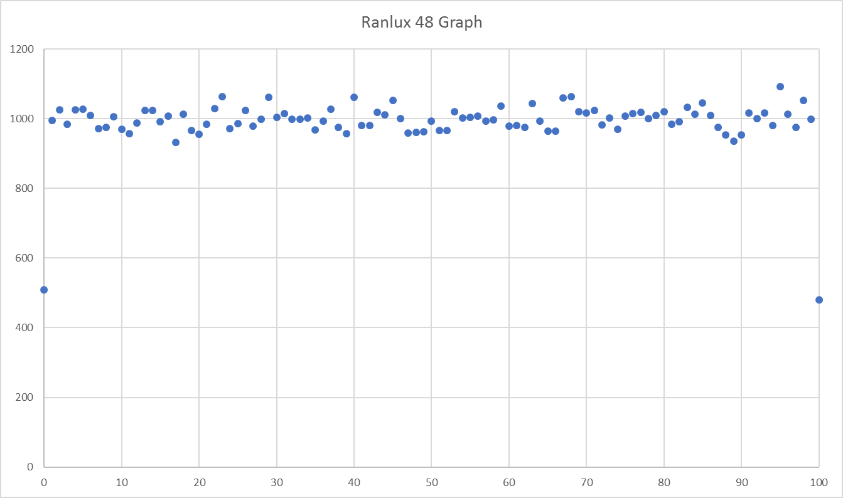
RANLUX N = 1M
0 | 4893
1 | 10031
2 | 10058
3 | 10016
4 | 10109
5 | 10168
6 | 9896
7 | 9878
8 | 10017
9 | 10062
10 | 9789
11 | 9924
12 | 10036
13 | 10100
14 | 10050
15 | 10116
16 | 10096
17 | 9897
18 | 10133
19 | 10133
20 | 10004
21 | 10131
22 | 9965
23 | 10061
24 | 10091
25 | 10100
26 | 10083
27 | 10048
28 | 9918
29 | 9985
30 | 9949
31 | 9973
32 | 9967
33 | 9999
34 | 10028
35 | 10016
36 | 10016
37 | 9938
38 | 9968
39 | 9921
40 | 9983
41 | 9973
42 | 9913
43 | 9844
44 | 10081
45 | 10093
46 | 9837
47 | 10018
48 | 10142
49 | 10154
...

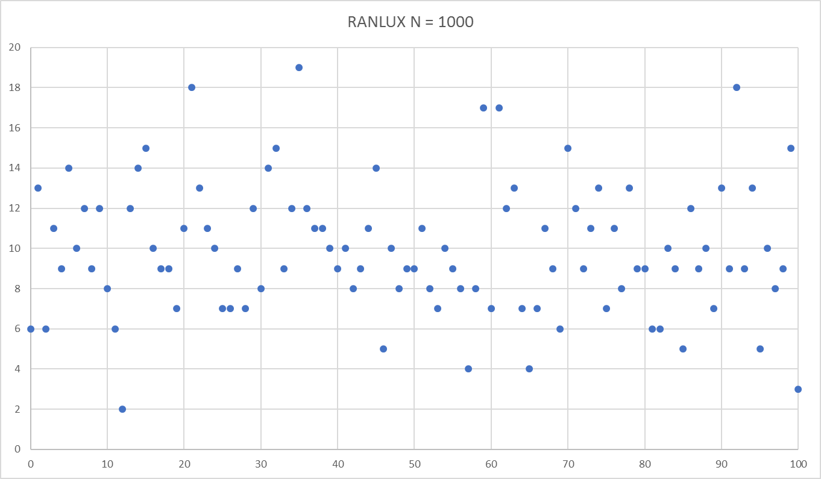

RANLUX N = 1M
0 | 4893
1 | 10031
2 | 10058
3 | 10016
4 | 10109
5 | 10168
6 | 9896
7 | 9878
8 | 10017
9 | 10062
10 | 9789
11 | 9924
12 | 10036
13 | 10100
14 | 10050
15 | 10116
16 | 10096
17 | 9897
18 | 10133
19 | 10133
20 | 10004
21 | 10131
22 | 9965
23 | 10061
24 | 10091
25 | 10100
26 | 10083
27 | 10048
28 | 9918
29 | 9985
30 | 9949
31 | 9973
32 | 9967
33 | 9999
34 | 10028
35 | 10016
36 | 10016
37 | 9938
38 | 9968
39 | 9921
40 | 9983
41 | 9973
42 | 9913
43 | 9844
44 | 10081
45 | 10093
46 | 9837
47 | 10018
48 | 10142
49 | 10154
...

All Sob
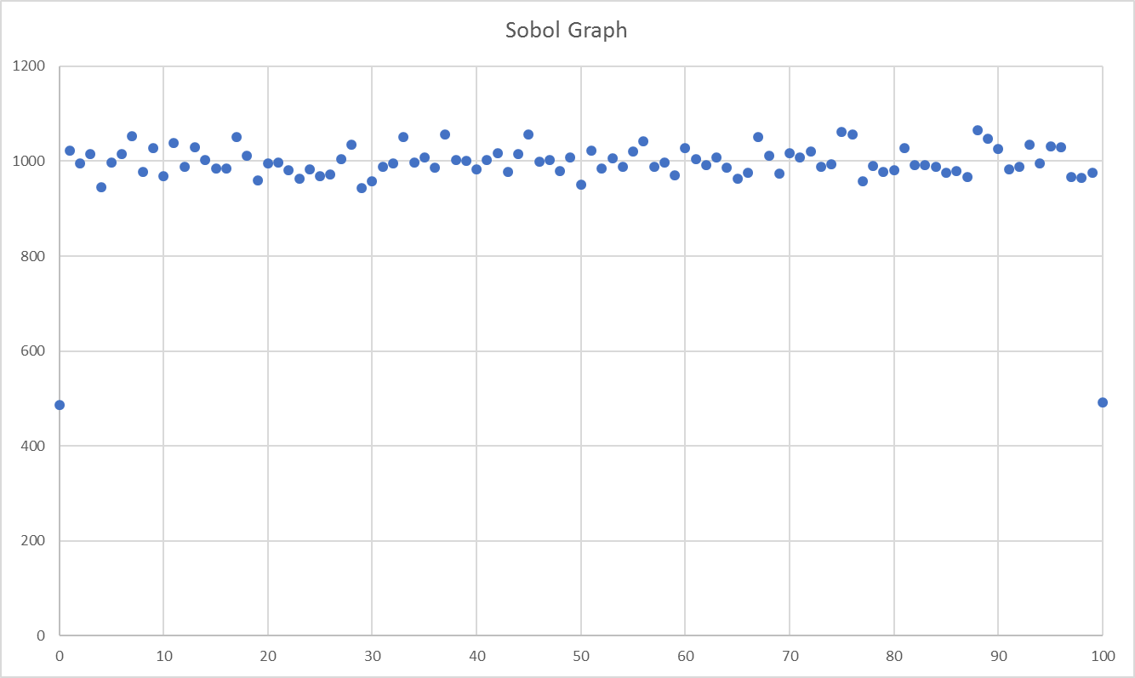

Sobol N = 1M
0 | 4958
1 | 9840
2 | 10228
3 | 10010
4 | 10035
5 | 9916
6 | 9936
7 | 10096
8 | 10234
9 | 10116
10 | 9943
11 | 10012
12 | 10091
13 | 10162
14 | 10010
15 | 9902
16 | 9963
17 | 10031
18 | 10001
19 | 9901
20 | 9917
21 | 9966
22 | 10130
23 | 9717
24 | 9969
25 | 10045
26 | 9936
27 | 9935
28 | 9751
29 | 9993
30 | 9898
31 | 9773
32 | 9903
33 | 9978
34 | 9929
35 | 10158
36 | 10087
37 | 10041
38 | 10170
39 | 10093
40 | 10033
41 | 10082
42 | 9899
43 | 9865
44 | 10085
45 | 9834
46 | 10118
47 | 10168
48 | 10016
49 | 10002
...

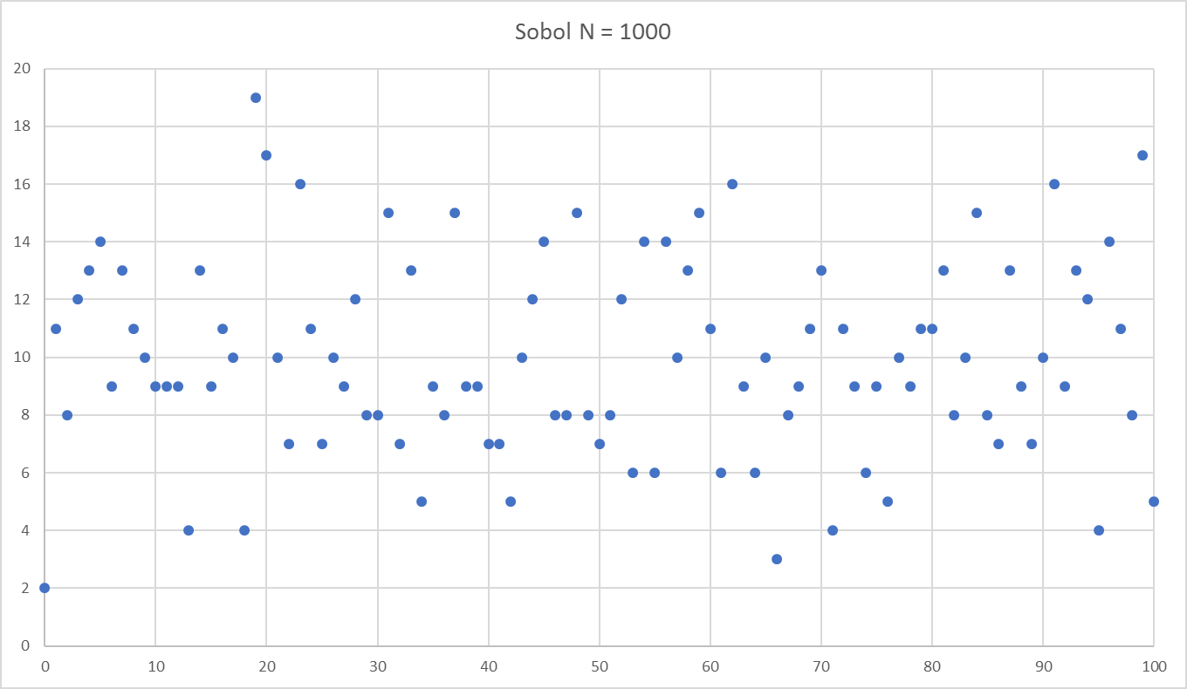

Sobol N = 1M
0 | 4958
1 | 9840
2 | 10228
3 | 10010
4 | 10035
5 | 9916
6 | 9936
7 | 10096
8 | 10234
9 | 10116
10 | 9943
11 | 10012
12 | 10091
13 | 10162
14 | 10010
15 | 9902
16 | 9963
17 | 10031
18 | 10001
19 | 9901
20 | 9917
21 | 9966
22 | 10130
23 | 9717
24 | 9969
25 | 10045
26 | 9936
27 | 9935
28 | 9751
29 | 9993
30 | 9898
31 | 9773
32 | 9903
33 | 9978
34 | 9929
35 | 10158
36 | 10087
37 | 10041
38 | 10170
39 | 10093
40 | 10033
41 | 10082
42 | 9899
43 | 9865
44 | 10085
45 | 9834
46 | 10118
47 | 10168
48 | 10016
49 | 10002
...

All Knuth
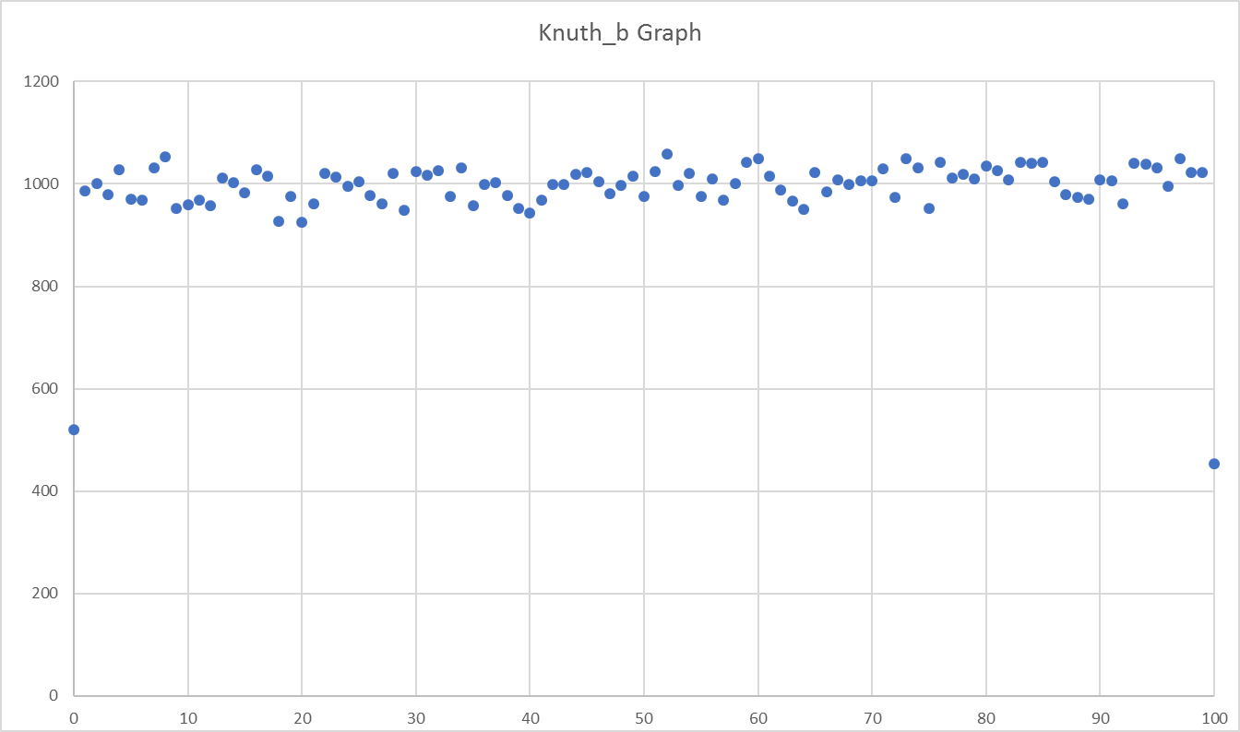

KNUTH N = 1M
0 | 4986
1 | 10095
2 | 10039
3 | 10010
4 | 10058
5 | 10036
6 | 9961
7 | 10058
8 | 10152
9 | 10009
10 | 9914
11 | 10189
12 | 10092
13 | 9886
14 | 10032
15 | 10144
16 | 10054
17 | 9941
18 | 9850
19 | 10014
20 | 10097
21 | 10037
22 | 10010
23 | 10034
24 | 10010
25 | 10126
26 | 9847
27 | 10041
28 | 9970
29 | 10051
30 | 9962
31 | 10033
32 | 10154
33 | 10235
34 | 10004
35 | 10163
36 | 10025
37 | 9940
38 | 10166
39 | 9970
40 | 9960
41 | 10099
42 | 9966
43 | 9912
44 | 9946
45 | 9849
46 | 9997
47 | 9980
48 | 9983
49 | 9894
...

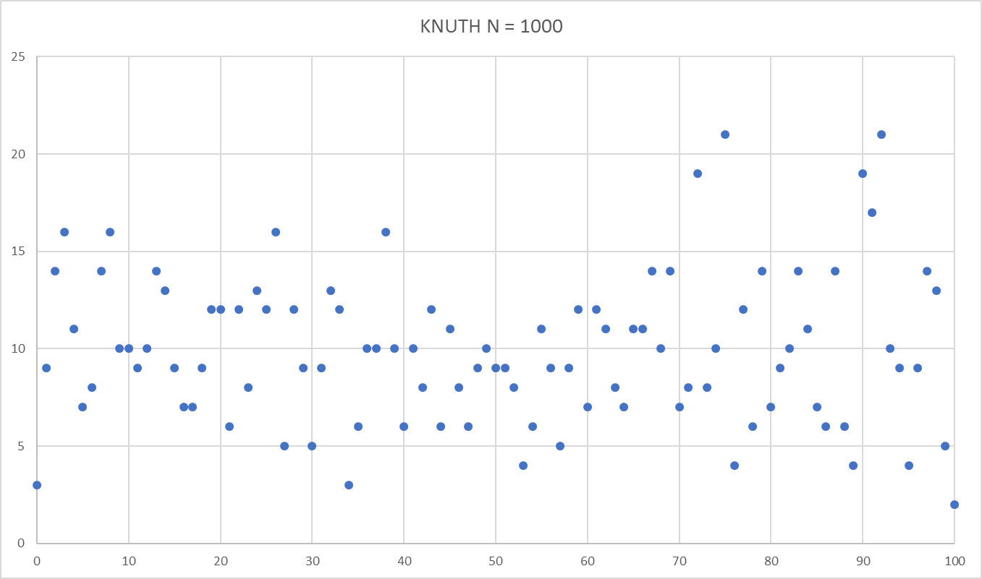

KNUTH N = 1M
0 | 4986
1 | 10095
2 | 10039
3 | 10010
4 | 10058
5 | 10036
6 | 9961
7 | 10058
8 | 10152
9 | 10009
10 | 9914
11 | 10189
12 | 10092
13 | 9886
14 | 10032
15 | 10144
16 | 10054
17 | 9941
18 | 9850
19 | 10014
20 | 10097
21 | 10037
22 | 10010
23 | 10034
24 | 10010
25 | 10126
26 | 9847
27 | 10041
28 | 9970
29 | 10051
30 | 9962
31 | 10033
32 | 10154
33 | 10235
34 | 10004
35 | 10163
36 | 10025
37 | 9940
38 | 10166
39 | 9970
40 | 9960
41 | 10099
42 | 9966
43 | 9912
44 | 9946
45 | 9849
46 | 9997
47 | 9980
48 | 9983
49 | 9894
...

All Ministd
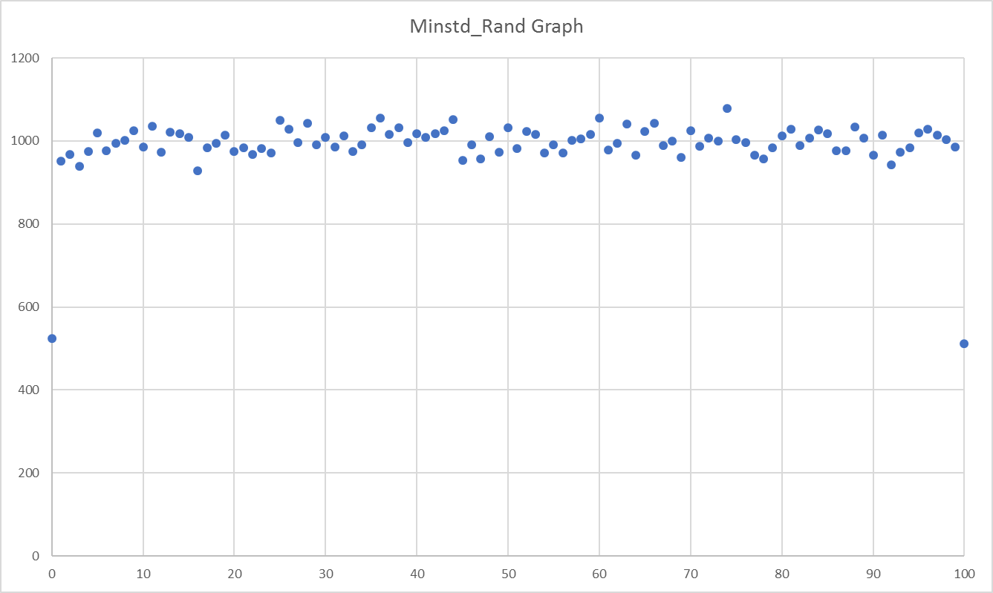

MINISTD N = 1M
0 | 5003
1 | 10001
2 | 10012
3 | 9941
4 | 10024
5 | 10035
6 | 10069
7 | 10122
8 | 10026
9 | 9981
10 | 9961
11 | 10058
12 | 9958
13 | 10049
14 | 10033
15 | 9983
16 | 9984
17 | 10004
18 | 10049
19 | 10087
20 | 9796
21 | 10082
22 | 9886
23 | 10257
24 | 10042
25 | 9947
26 | 10068
27 | 10088
28 | 9970
29 | 9988
30 | 10179
31 | 10004
32 | 10073
33 | 9913
34 | 10081
35 | 10040
36 | 9934
37 | 10061
38 | 9941
39 | 9924
40 | 10058
41 | 10102
42 | 9844
43 | 10179
44 | 10037
45 | 9866
46 | 9986
47 | 10143
48 | 9964
49 | 9772
...

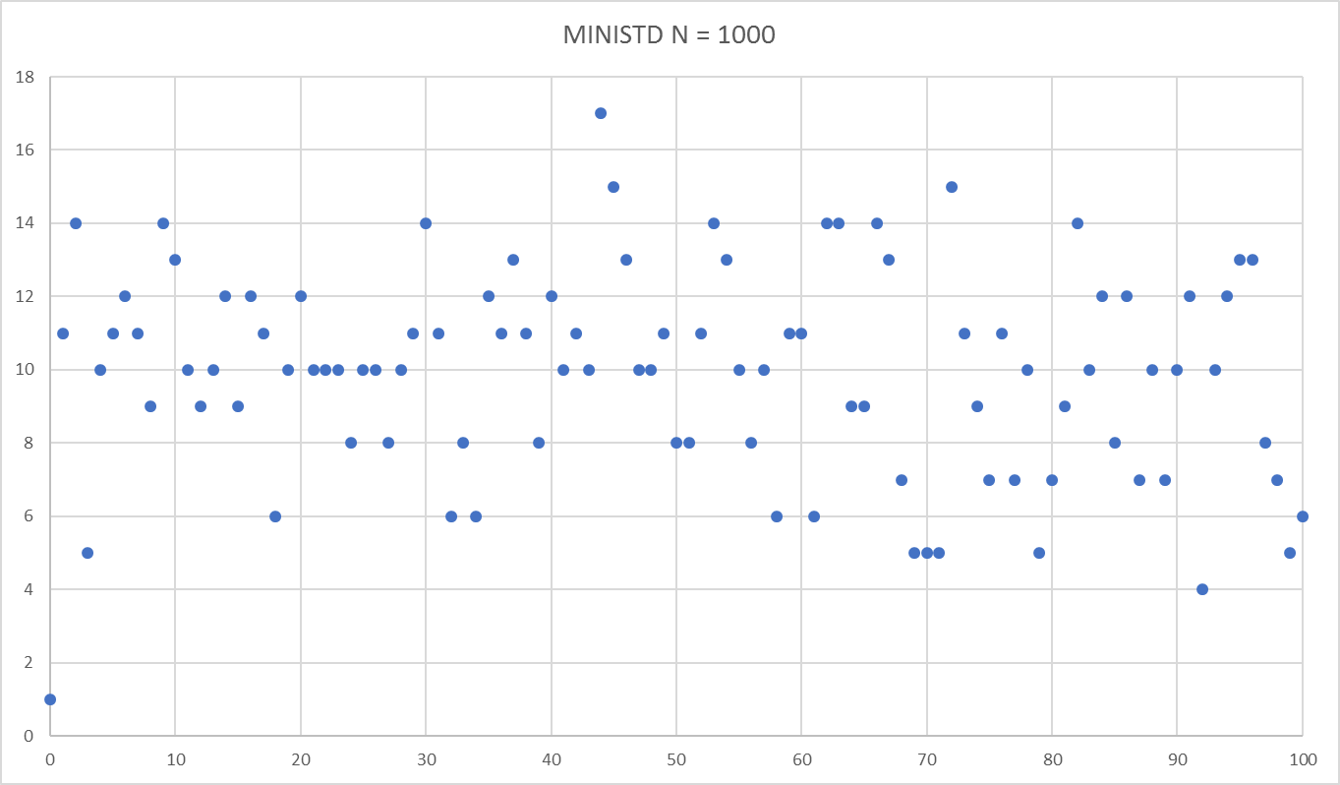

MINISTD N = 1M
0 | 5003
1 | 10001
2 | 10012
3 | 9941
4 | 10024
5 | 10035
6 | 10069
7 | 10122
8 | 10026
9 | 9981
10 | 9961
11 | 10058
12 | 9958
13 | 10049
14 | 10033
15 | 9983
16 | 9984
17 | 10004
18 | 10049
19 | 10087
20 | 9796
21 | 10082
22 | 9886
23 | 10257
24 | 10042
25 | 9947
26 | 10068
27 | 10088
28 | 9970
29 | 9988
30 | 10179
31 | 10004
32 | 10073
33 | 9913
34 | 10081
35 | 10040
36 | 9934
37 | 10061
38 | 9941
39 | 9924
40 | 10058
41 | 10102
42 | 9844
43 | 10179
44 | 10037
45 | 9866
46 | 9986
47 | 10143
48 | 9964
49 | 9772
...

All MT
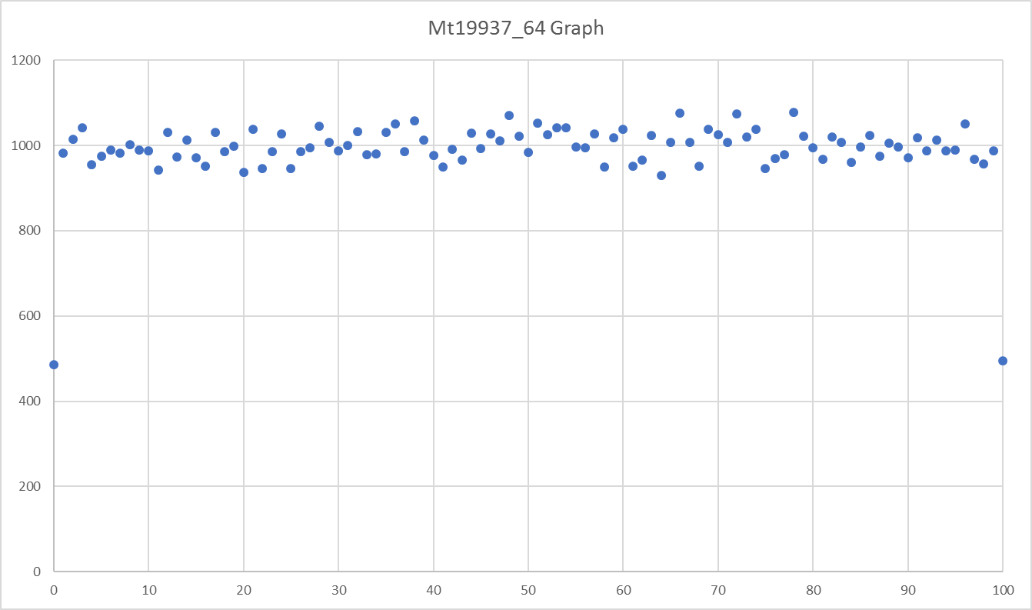

MT N = 1M
0 | 5081
1 | 10092
2 | 9977
3 | 9993
4 | 10036
5 | 10293
6 | 9936
7 | 10113
8 | 9899
9 | 9917
10 | 9805
11 | 10062
12 | 10031
13 | 9944
14 | 10090
15 | 9803
16 | 9915
17 | 10016
18 | 10039
19 | 9862
20 | 10100
21 | 9893
22 | 9898
23 | 10003
24 | 9959
25 | 9895
26 | 9884
27 | 9979
28 | 10114
29 | 10111
30 | 9941
31 | 10062
32 | 10106
33 | 10067
34 | 9950
35 | 10119
36 | 9876
37 | 10120
38 | 10027
39 | 10005
40 | 9881
41 | 10034
42 | 10138
43 | 9968
44 | 10010
45 | 9897
46 | 9972
47 | 9861
48 | 9957
49 | 9882
...

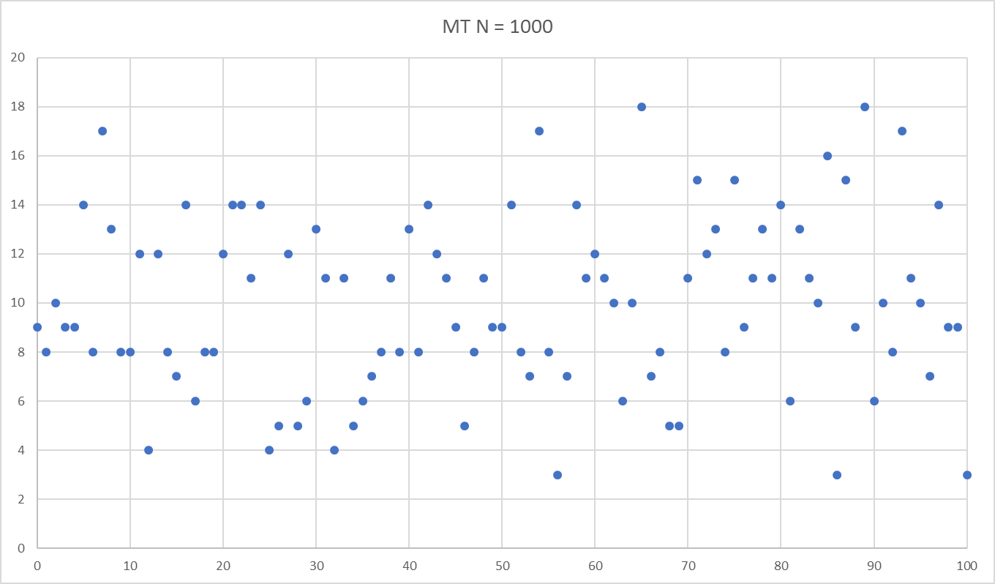

MT N = 1M
0 | 5081
1 | 10092
2 | 9977
3 | 9993
4 | 10036
5 | 10293
6 | 9936
7 | 10113
8 | 9899
9 | 9917
10 | 9805
11 | 10062
12 | 10031
13 | 9944
14 | 10090
15 | 9803
16 | 9915
17 | 10016
18 | 10039
19 | 9862
20 | 10100
21 | 9893
22 | 9898
23 | 10003
24 | 9959
25 | 9895
26 | 9884
27 | 9979
28 | 10114
29 | 10111
30 | 9941
31 | 10062
32 | 10106
33 | 10067
34 | 9950
35 | 10119
36 | 9876
37 | 10120
38 | 10027
39 | 10005
40 | 9881
41 | 10034
42 | 10138
43 | 9968
44 | 10010
45 | 9897
46 | 9972
47 | 9861
48 | 9957
49 | 9882
...

